Insights
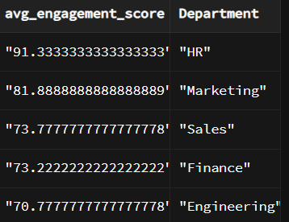
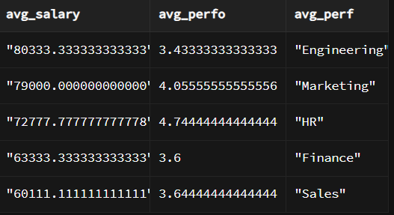
SQL Codes used for analysis
select count("Employee ID"),"Department" as no_of_staffs from hrdata group by "Department";
select "Department",
ROUND(cast(AVG("Performance Rating") as DECIMAL), 2) as avg_perfo_rate from hrdata group by "Department"
select "Department",
ROUND(cast(AVG("L&D Hours") as DECIMAL), 2) as avg_l_and_d_rate from hrdata group by "Department";
select "Department",
ROUND(cast(AVG("Performance Rating") as DECIMAL), 2) as avg_perfo_rate,
ROUND(cast(AVG("L&D Hours") as DECIMAL), 2) as avg_l_and_d_rate from hrdata group by "Department"
order by avg_perfo_rate desc ;
select "Department", ROUND(cast(AVG("Tenure (Months)") as DECIMAL), 2) as avg_tenure from hrdata group by "Department"
order by avg_tenure desc;
select "Department", ROUND(cast(AVG("Tenure (Months)") as DECIMAL), 2) as avg_tenure from hrdata group by "Department"
order by avg_tenure desc;
select avg("Engagement Score") as avg_engagement_score,"Department" from hrdata group by "Department" order by avg_engagement_score desc
select avg("Salary (INR)") as avg_salary , "Department" from hrdata group by "Department" order by avg_salary desc
SELECT
"Location",
COUNT("Employee ID") AS Employee_Count,
avg("Performance Rating") as avg_per,
avg("Engagement Score") as avg_eng
FROM
HRData
where "Department"= 'Engineering'
GROUP BY
"Location",
"Department"
order by avg_eng desc
select avg("Salary (INR)") as avg_salary, avg("Performance Rating") as avg_perfo, "Department" as avg_perf from hrdata group by "Department"
order by avg_salary desc
select "Location", avg("Engagement Score") as avg_engag, avg("Performance Rating")as avg_perfomance, avg("Tenure (Months)") as avg_tenure, avg("L&D Hours") as avgld from hrdata group by "Location" order by avg_engag desc
Location | (All)
Job Level | (All)

Row Labels | Average of Engagement Score | Average of Salary (INR) | Average of Tenure (Months) | Average of Performance Rating | Average of L&D Hours
Engineering | 70.8 | 80333.3 | 20.6 | 3.4 | 17.8
Finance | 73.2 | 63333.3 | 29.0 | 3.6 | 10.2
HR | 91.3 | 72777.8 | 34.9 | 4.7 | 27.1
Marketing | 81.9 | 79000.0 | 35.0 | 4.1 | 15.3
Sales | 73.8 | 60111.1 | 23.9 | 3.6 | 11.3
Grand Total | 78.2 | 71111.1 | 28.7 | 3.9 | 16.4

Findings & Insights
I also used SQL for Analysis and i have attched all my codes used for analysis in the mail
The HR dataset Contain data of 45 employees in 5 department across 3 Offices
The Department with Highest average performance rating is " HR" having value of 4.74
The Deparment with Lowest average performance rating is "Engineering" having value of 3.43
The Department with Highest avg L&D is HR having value of 27.11
The department with lowest avg L&D is Finance having value of 10.22
The Department with Highest Avg tenure is Marketing having a value of 35 that means the employees
in this department tend to stay in the current company for low making Low turnOver in terms of tenure
The Department with lowest avg tenure is Engineering having a value of 20.56 that means people tends
to leave the company faster
Engineering dept has lowest tenure that means people tend to leave the dept faster even though
L&D avg rate is high and avg salary is high but the performance is low also Engagement score is low that means
the work culture among the engineering dept is poor the employees in this dept are not productive enough
The avg salary of HR dept is low when compared to other dept on the basis of performance rating, they deserve a raise
There are 3 offices in Delhi, bangalore and Mumbai. In these offices the employees of Delhi
office have lower avg engagement score, lower avg_perfomance rating and lower L&D hrs
that means the work environment in delhi office can be poor and need more L&D hrs. the best office is in Mumbai

visualization
Distrubution of Engagement score among dept

Row Labels | Average of Engagement Score
Engineering | 70.8
Finance | 73.2
HR | 91.3
Marketing | 81.9
Sales | 73.8

Distrubution of salary btw each dept

Row Labels | Average of Salary (INR)
Engineering | 80333.3
Finance | 63333.3
HR | 72777.8
Marketing | 79000.0
Sales | 60111.1

Engineering | 70.8 | 20.6
Finance | 73.2 | 29.0
HR | 91.3 | 34.9
Marketing | 81.9 | 35.0
Sales | 73.8 | 23.9
Row Labels | Average of Engagement Score | Average of Tenure (Months)
Engineering | 70.8 | 20.6
Finance | 73.2 | 29.0
HR | 91.3 | 34.9
Marketing | 81.9 | 35.0
Sales | 73.8 | 23.9

 |  |  | 72777.8
 |  |  | 79000.0
 |  |  | 60111.1

Location | employees per location
Bangalore | 13
Delhi | 17
Count of employees per location
Mumbai | 15

